1. Title Page
[Grocery Basket Analysis]

Project Name:
Date: 14.10.2022
Analyst Name: Lennart Zeidler

Contents: | Data Citation
Population Flow | Source: | https://www.instacart.com/datasets/grocery-shopping-2017
Consistency checks | Note: | This assignment necessitated the artificial creation of the pricing column and the entire customer dataframe.
Wrangling steps
Column derivations
Visualizations
Recommendations

2. Population Flow
Title page

Population flow

Exclusion flag
Condition: max_order <
Obervations to be removed:
Final total count of order_products_all: 32 399 732

Orders_products_combined
Orders_products_merged
Orders_products_all

Total: 32 399 732
Total: 32 434 489
Total: 32 399 732

1.) The grey boxes in the first row of the population flow represent the original data sets as they were when you downloaded them. In the Total fields you need to add the count of the rows when you imported the data set into Jupyter.
2.) The second row of boxes (coloured) represents the data sets after you manipulated them, e.g., removed missing values and duplicates. In the Total fields you need to add the count of the rows after conducting these operations. This offers a visual oveview of how the data flows throughout the data consistency checks.
3.) The third row, where also the arrows are coloured, represents the merges you performed between the datasets. In the Total fields you need to add the count of the rows in the merged datasets, so that you end up with the final dataset (in the red box). Keep in mind the final dataset should be without exclusions (based on the exclusion flag).

3. Consistency checks
 |  |  |  | Title page
Consistency checks

Dataset | Missing values | Missing values treatment | Duplicates
orders | 206209 | kept but must be considered in analysis | 0
products | 16 | deleted | 5
orders_products_prior | 0 | / | 0
customers | 11259 | column with missing values was deleted | 0
department | 1 | kept but can be treaded as other department | 0

4. Wrangling steps
 |  |  |  |  | Title page
Wrangling steps
Wrangling steps

df Name | Columns dropped | Columns renamed | Columns' type changed | Comment/Reason
Orders | eval_set column | order_dow ==> order_day_of_week | order_id, user_id to string | this happened to make all columns named after the same scheme
customers | / | First Name ==> first_name Surname ==> last_name Gender ==> gender STATE ==> state Age ==> age n_dependants ==> dependants_count | first_name to string | this happened to make all columns named after the same scheme
department | / | / | / | /
products | / | / | / | /
orders_products_prior | / | / | / | /

5. Column derivations
 |  |  |  | Title page

Column derivations and aggregations

In this tab you should add tables below that the frequences of flags/label variables that you produced after deriving them. NB: don't do this for continuous variables, only for flags.
Dataset | New column | Column/s it was derived from | Conditions
df_merged | price_range | prices | price > 15 ==> High-range product price <= 15 and price >= 5 ==> Mid-range product price <= 5 ==> Low-range product
df_merged | busiest_day | order_day_of_week | order_day_of_week == 0 ==> Busiest day order_day_of_week == 4 ==> Least busy else ==> regularly busy
df_merged | busiest_days | order_day_of_week | order_day_of_week == 0 or 1 ==> Busiest days order_day_of_week == 3 or 4 ==> Slowest days else ==> regularly busy days
df_merged | busiest_hours | order_hour_of_day | order_hour_of_day >= 9 or <= 16 ==> Busiest hours order_hour_of_day >= 23 or <= 6 ==> Slowest hours else ==> regularly busy hours
ords_prods_merge | loyalty_flag | max_order | max_order > 40 ==> Loyal customer max_order <= 40 and < 10 ==> Regualar customer max_order <= 10 ==> New customer
ords_prods_merge | avg_price_flag | avg_spended | avg_spended < 10 ==> Low spender avg_spended >= 10 ==> High spender
ords_prods_merge | order_frequency_flag | mean_order_frequency | mean_order_frequency

6. Visualizations
 |  |  |  | Title page

Visualisations

In this tab you should include all the visualtions from Exercises 4.9 and 4.10, alongside the questions from the project brief that they answer. Include any commentary on the relationship between different variables.

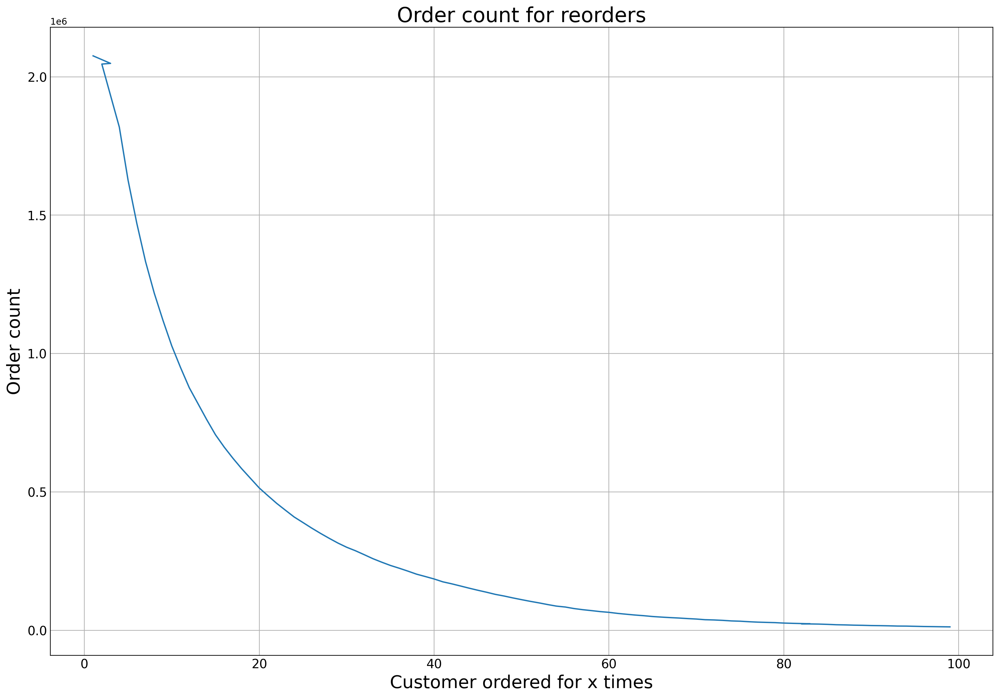
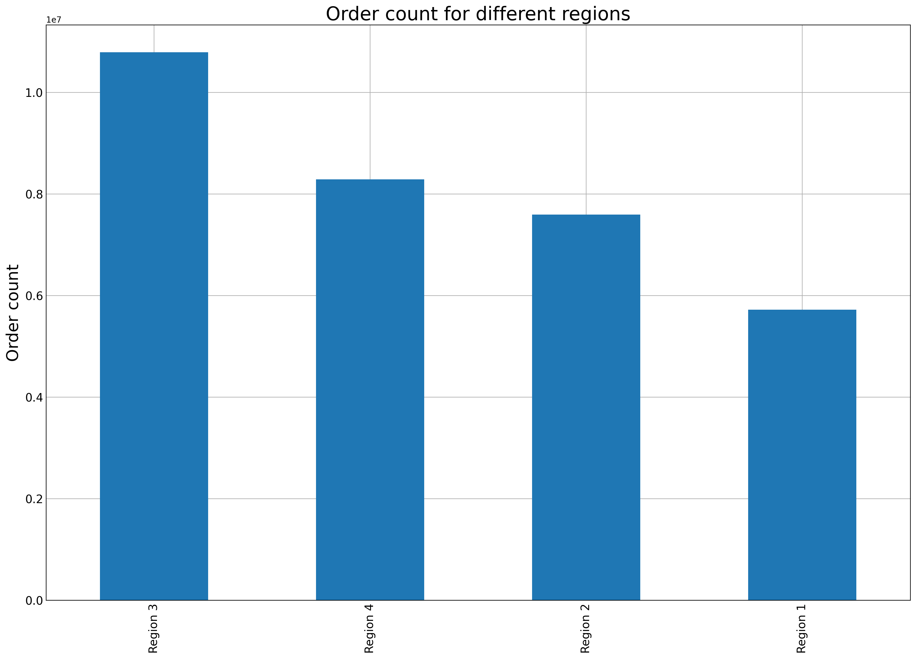
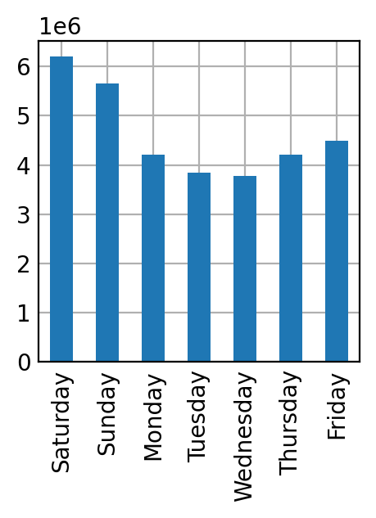
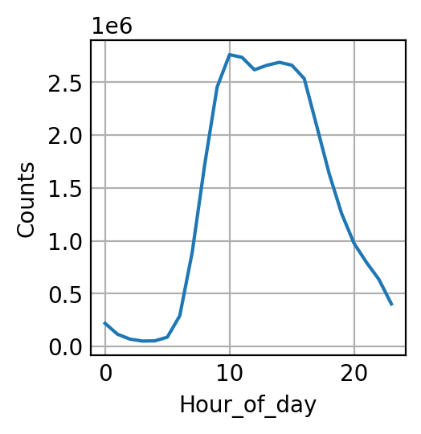
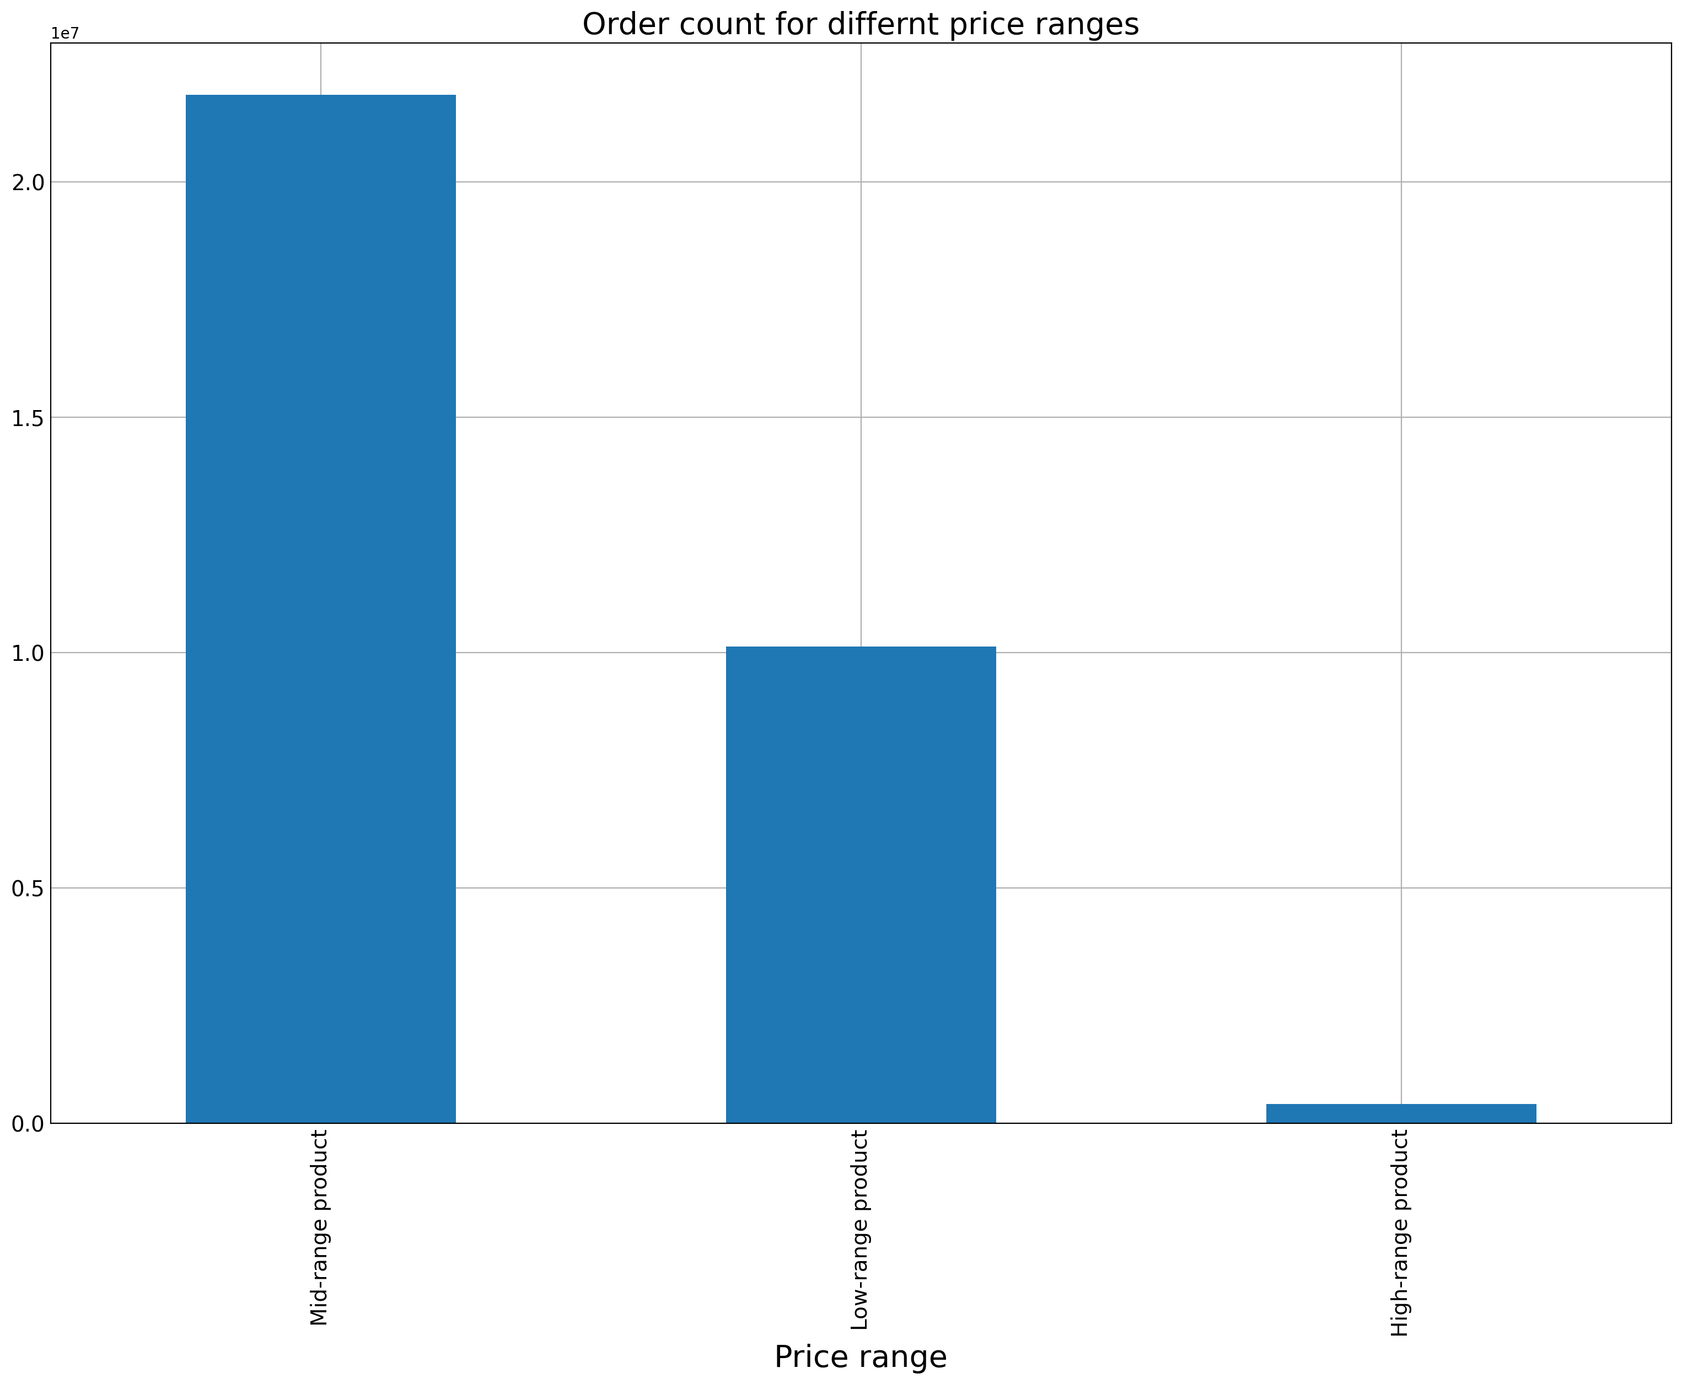
Q1.1 |  | Q1.2 | Q3
Order count for each day of the week |  | order count for each hour of the day |  |  |  |  | Q7
 |  |  |  |  | Q5

Top value Saturday |  | Top value hour 10
Q2
 | Average product price (daily trend)
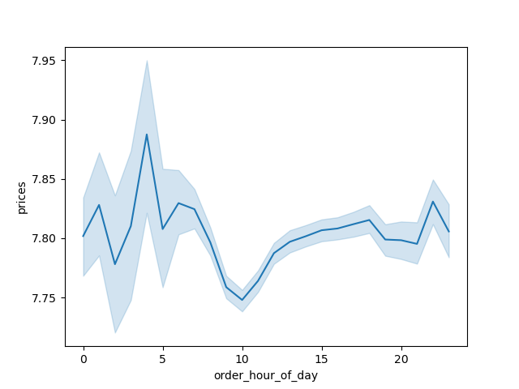

 |  |  | Q4
 |  |  |  |  |  | Q6 |  | Q8
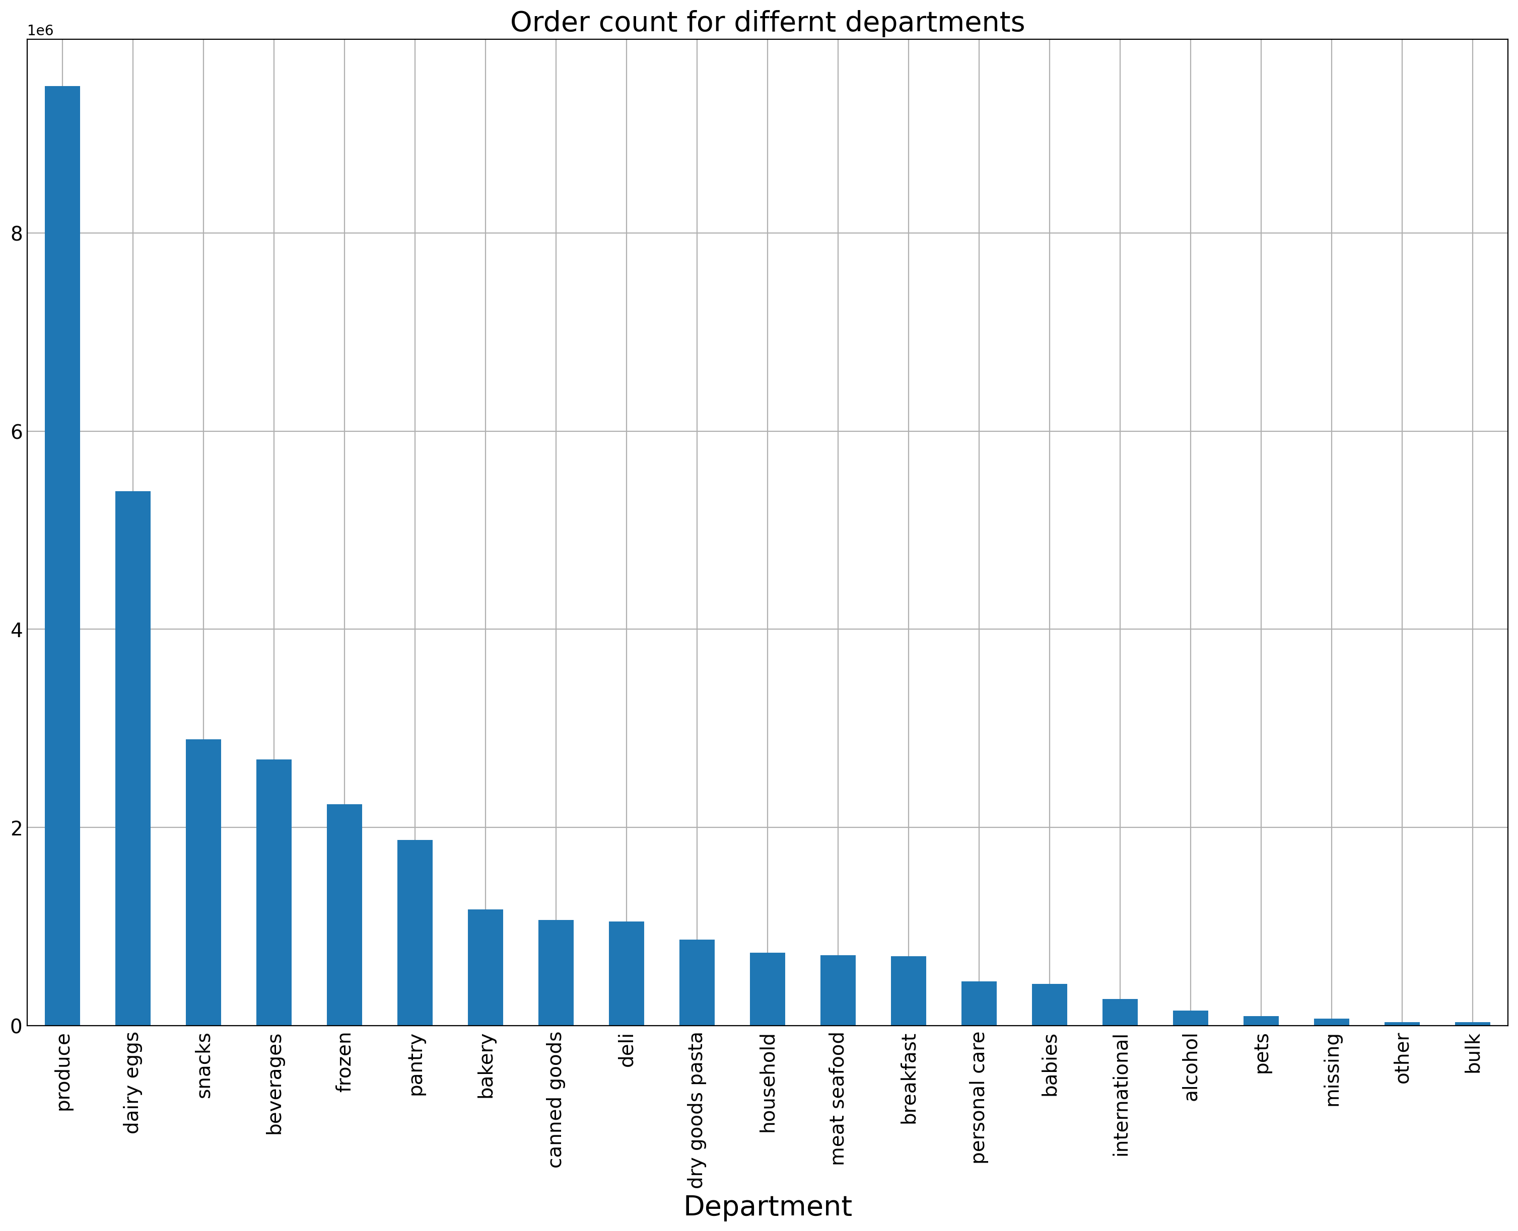

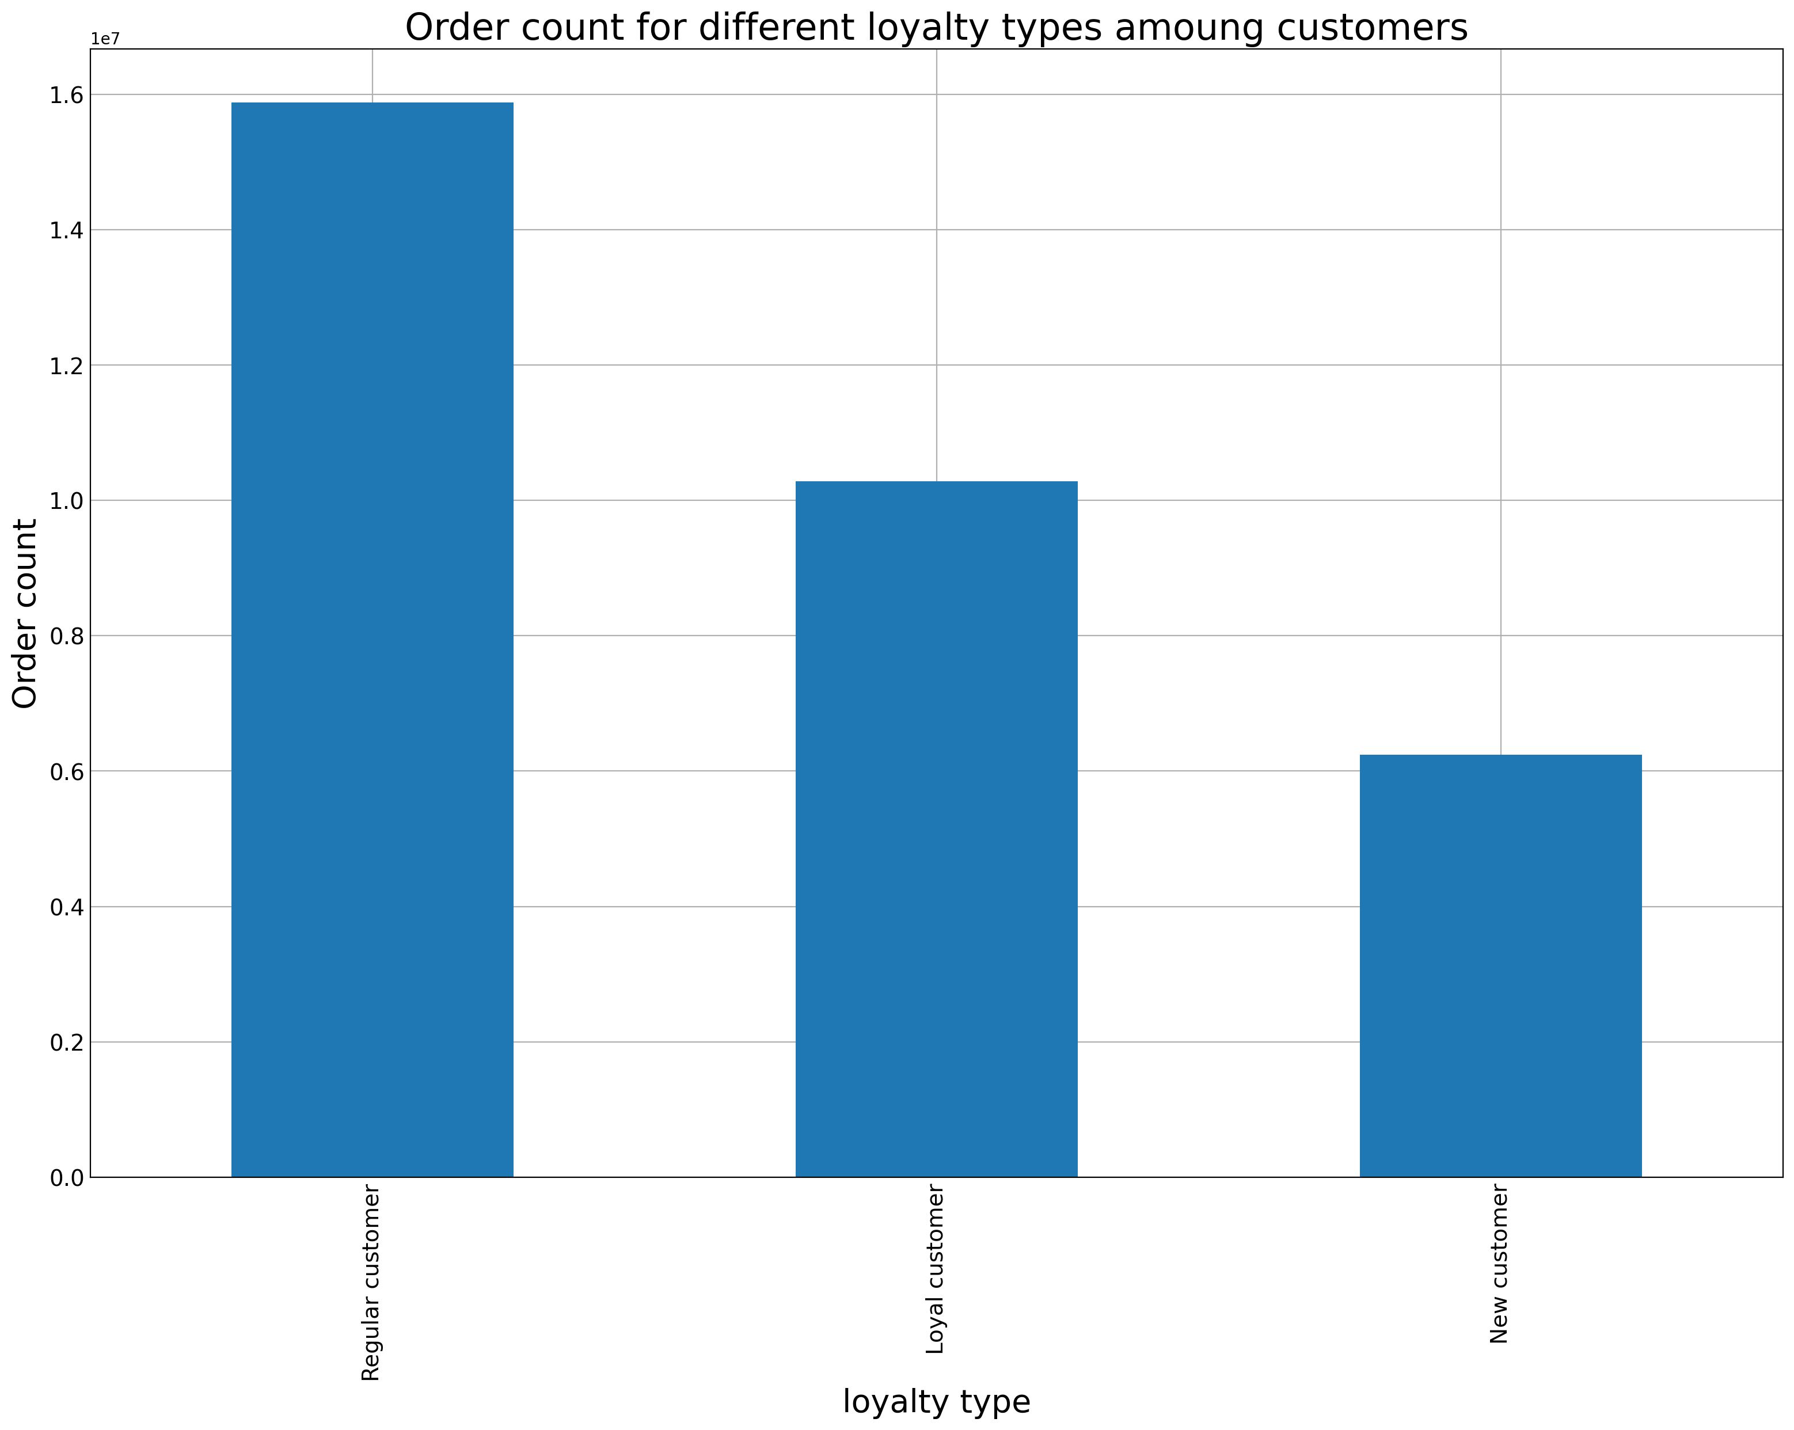
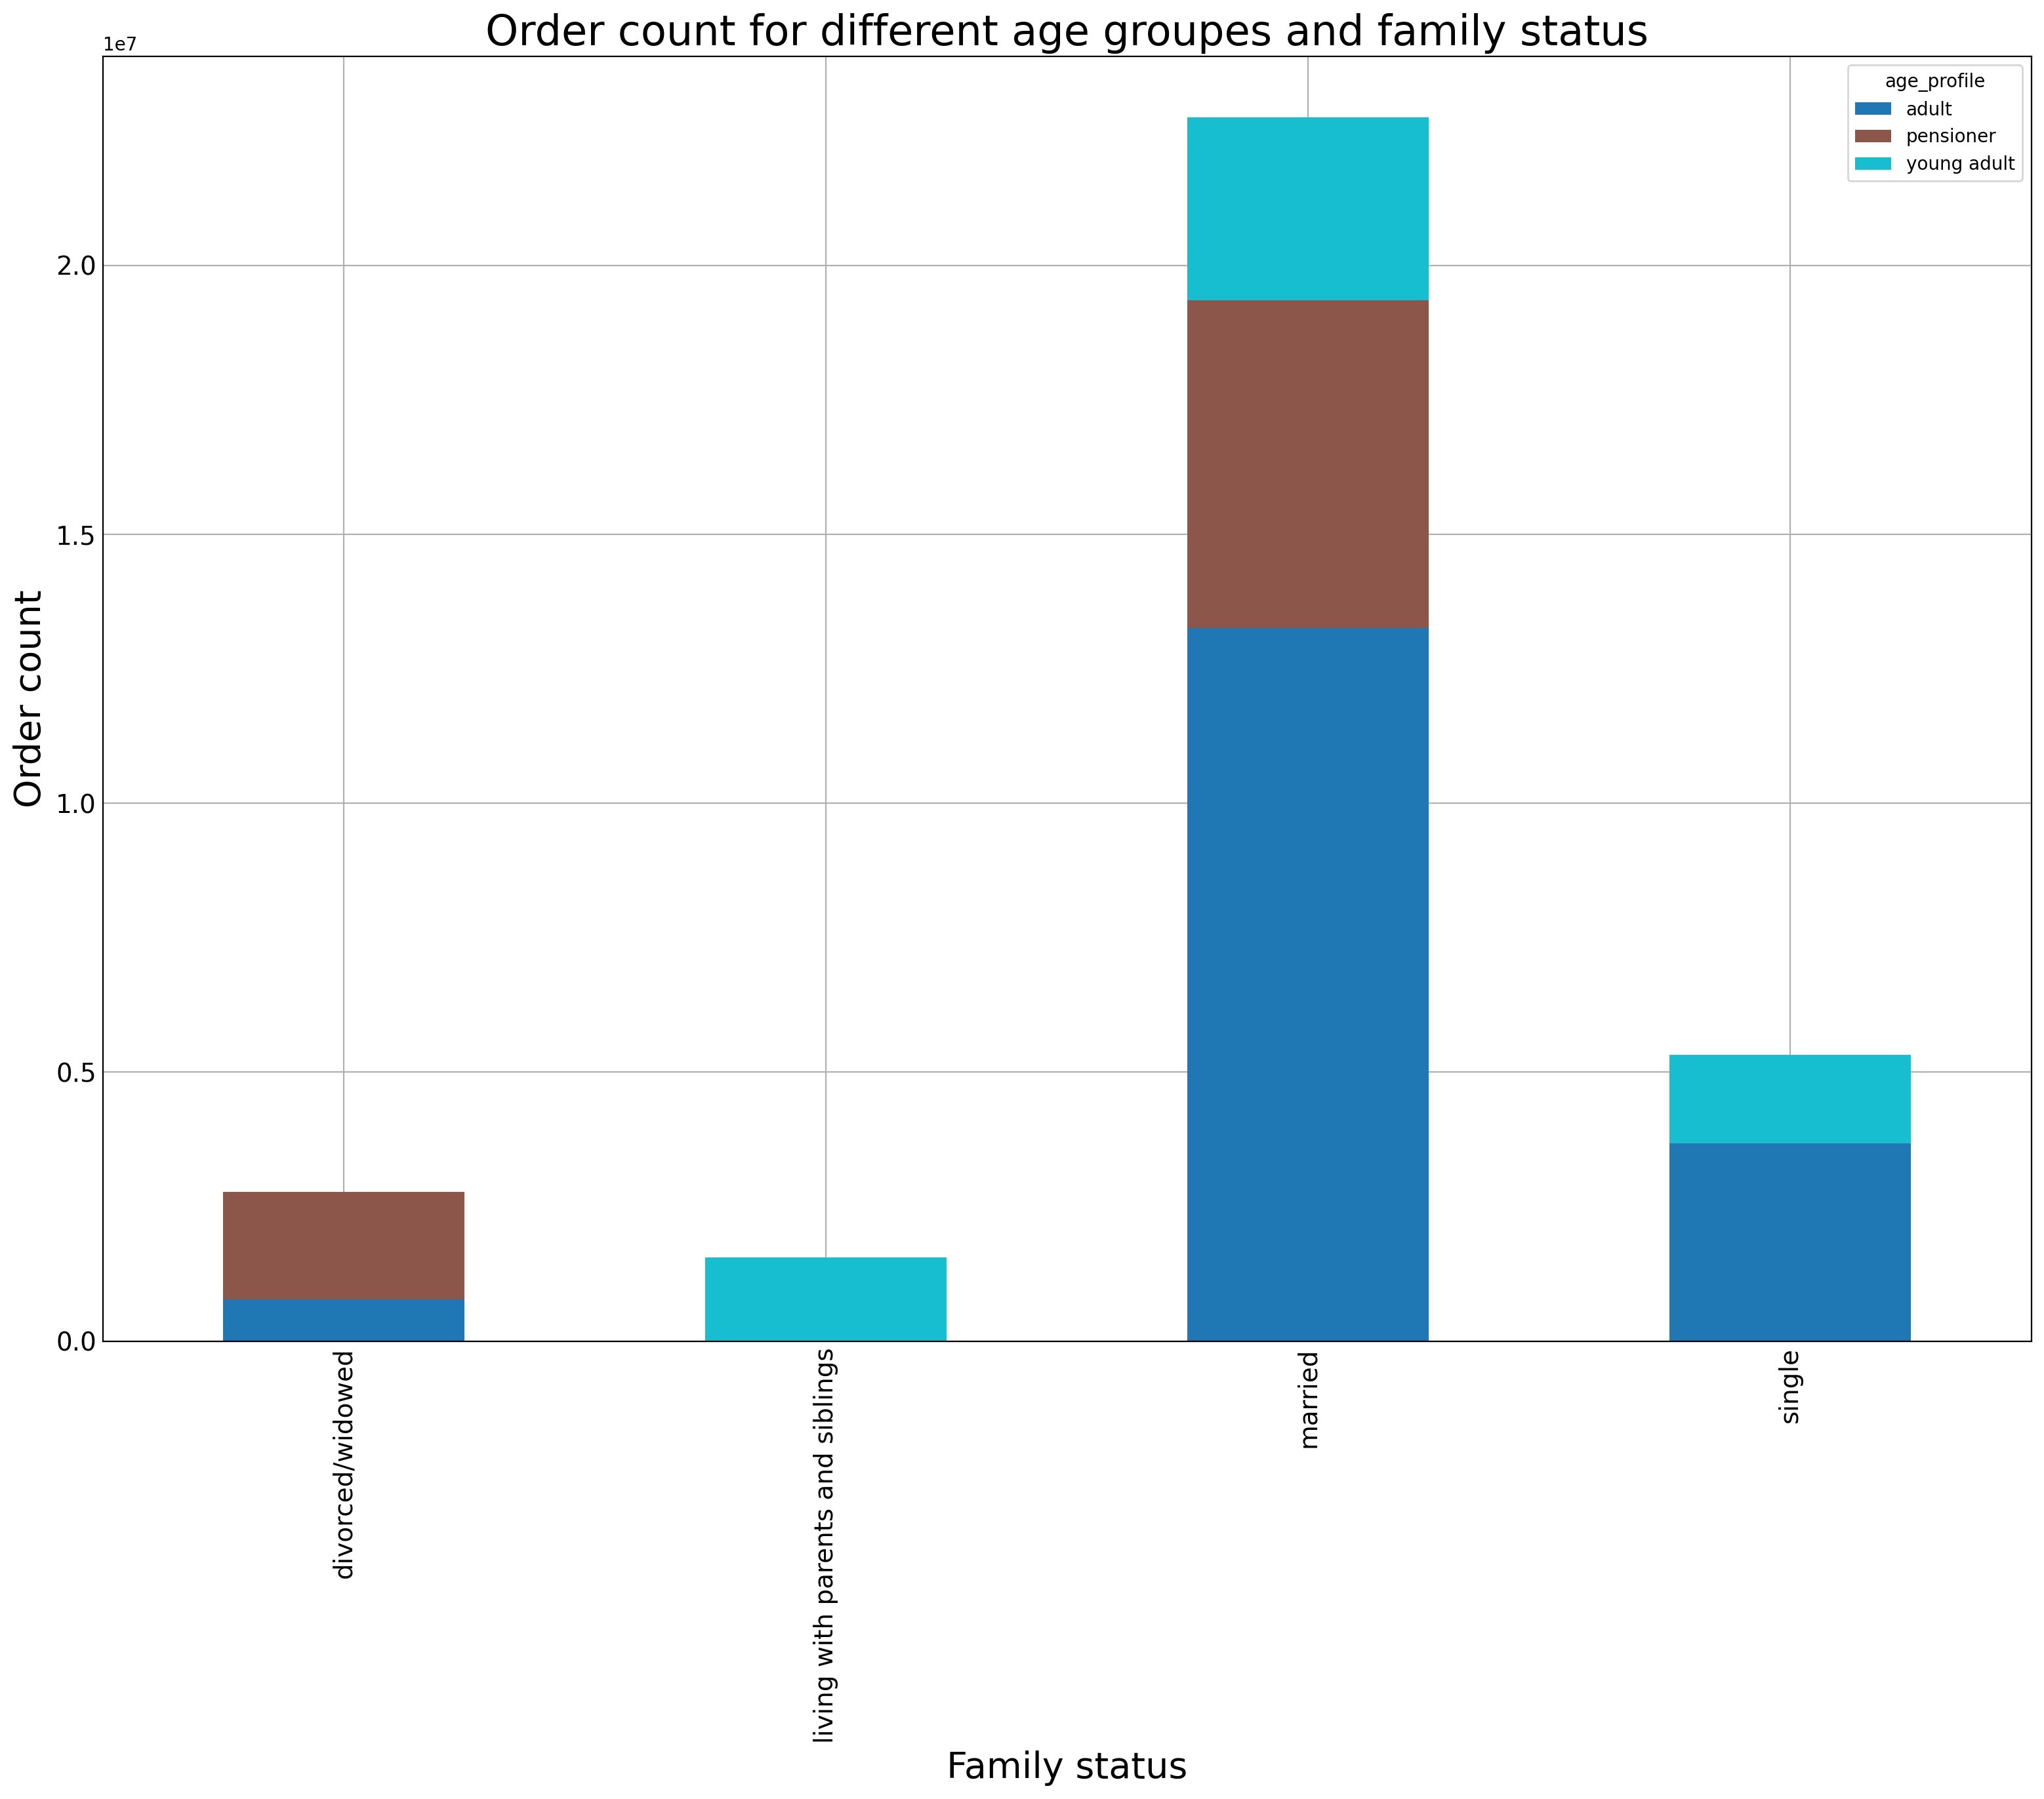

Highest priced products are sold around 4 am.

7. Recommendations
 |  |  | Title page

Recommendations

In this tab you should include any recommendations you would made to Instcart in terms of their marketing strategy based on the questions posed in the brief. Every key question has been covered in the Tasks of the Exercises - here you need to add an item - a visualisation or table/crosstable that is showing the answer in the data, acompanied by a comment from you. Please, list the questions below and add the answer underneath.

Question
Key Question 1 | The sales team needs to know what the busiest days of the week and hours of the day are (i.e., the days and times with the most orders) in order to schedule ads at times when there are fewer orders.
Key Question 2 | They also want to know whether there are particular times of the day when people spend the most money, as this might inform the type of products they advertise at these times.
Key Question 3 | Instacart has a lot of products with different price tags. Marketing and sales want to use simpler price range groupings to help direct their efforts.
Key Question 4 | Are there certain types of products that are more popular than others? The marketing and sales teams want to know which departments have the highest frequency of product orders.
Key Question 5 | What’s the distribution among users in regards to their brand loyalty (i.e., how often do they return to Instacart)?
Key Question 6 | Are there differences in ordering habits based on a customer’s loyalty status?
Key Question 7 | Are there differences in ordering habits based on a customer’s region?
Key Question 8 | Is there a connection between age and family status in terms of ordering habits?

Question | Visualization | Answer
Key Question 1 | Q1.1 and Q1.2 | The busiest day of the week is Saturday and the busiest hour is 10am.
Key Question 2 | Q2 | Yes there are different trends not a consisten one but the average product price(of sold products) varies over the day.
Key Question 3 | Q3 | Most sales are mid-price-range. That means the items price is between 5 and 15 dollar.
Key Question 4 | Q4 | Products of the type produce are the most populare items with the highes amount of sales.
Key Question 5 | Q5 | The data shows that the proportion of returning customers declines as more orders are placed by that customer.
Key Question 6 | Q6 | Yes there are different habits. Around 81% of our customers are eather loyal(31%) or regular(50%) customers.
Key Question 7 | Q7 | Yes there are different habits. Most products are sold in Region 3 (South US).
Key Question 8 | Q8 | Yes there are some connections: young adults are tend to live with parents and siblings and are usually not divored/widdowed. Pensioner on the other side are most often not single.

